Events Timeline

EVENT NAME: | OpenGov Leadership Forum 2024
SECTOR: | MIXED
COUNTRY: | ID
VENUE: | The Westin Jakarta
FUNCTION ROOM: | Padang Room, Level 1
EVENT DATE: | 2024-08-21
TIME: | 8:55am
TARGET: | 22 Unique Organisation
SCREEN FORMAT: | 16:09:00 |  |  | 1200x1800px the size is 2 m x 3 m
PARKING: | Complimentary

Date | Schedule | Person in Charge | Remarks
Week 1
2024-03-11 | Draft Synopsys is ready to be presented during the Kick-Off Meeting | Diaz/Mohit
2024-03-12 | Meeting on Outstanding Matters, Content and Direction | ALL
2024-03-13 | 100 words Bio of speaker and high resolution picture of Adnovum Speaker | Adnovum + Diaz/Mohit
2024-03-13 | Planning of EDM and Reminder call schedule | Mktg + Diaz/Mohit
2024-03-13 | Submission of synopsis to Adnovum with proposed speakers | Diaz/Mohit
2024-03-14 | Submission of Wish list | Vasan + Diaz/Mohit
2024-03-14 | Approval/First Edit for Synopsis from Adnovum | Adnovum + Diaz/Mohit
2024-03-15 | OpenGov to revert with revised Synopsis to Adnovum with proposed speakers and Prepare DE Brief Pack | Diaz/Mohit
2024-03-15 | Producer to create EDM copy and submit to marketing | Mktg + Diaz/Mohit
2024-03-15 | Creation of EDM list By Marketing | Mktg + Diaz/Mohit
Week 2
2024-03-18 | Final Approval of the Synopsis and the choice of Proposed speaker from Adnovum and Submit to Marketing | Adnovum + Diaz/Mohit
2024-03-18 | Internal DE Briefing and Pitching | Diaz/Mohit
2024-03-19 | Final Pitch by 12PM | DE + Diaz/Mohit
2024-03-19 | Invitation of Guest Speaker | Diaz/Mohit
2024-03-19 | Final Brochure and banners send to Producer for Approval | Diaz/Mohit
2024-03-19 | Final Brochure send to Adnovum for Approval | Diaz/Mohit
2024-03-20 | Start of Delegates Invitation | DE + Diaz/Mohit
2024-03-20 | Approval from Sponsor for the brochure | Mktg + Diaz/Mohit
2024-03-20 | Event Website Completion | Mktg + Diaz/Mohit
Week 3
2024-03-25 | Evaluation and polling questions to be finalised | Adnovum + Diaz/Mohit |  | Mid May
2024-03-25 | Polling questions from Adnovum | Adnovum + Diaz/Mohit |  | Mid May
2024-03-29 | Adnovum to submit staffs details for those will be attending the event | Adnovum + Vasan
Week 4
2024-04-04 | Speaker Confirmed ( Bio, Pic, AGL), Final Brochure and Website Updated | Diaz/Mohit
2024-04-05 | Venue Confirmation | Vasan + Diaz/Mohit
Week 5
2024-04-08 | Creation of Holding slides | Mktg + Diaz/Mohit
2024-04-15 | DE to Stop Delegate acquisition and Campaign Completed-Internal | DE + Diaz/Mohit
Week 6
2024-04-16 | First Rehearsal and connect calls between OpenGov, Guest Speaker and Adnovum speaker | ALL
2024-04-19 | Adnovum to submit Presentation Slides to OpenGov | Adnovum + Diaz/Mohit
Week 7
2024-04-26 | Delegate Reporting | Vasan + Diaz/Mohit
Week 8
2024-05-03 | Send updated confirm delegate list to Sponsor | Vasan + Diaz/Mohit
Week 9
2024-05-07 | LinkedIn Post (3 weeks before event) | Mktg + Diaz/Mohit
2024-05-10 | Send updated confirm delegate list to Sponsor | Vasan + Diaz/Mohit
Week 10
2024-05-13 | Delegates, Speakers and Sponsor badges send for print | Vasan + Diaz/Mohit
2024-05-14 | Submission of Guest Speaker Presentation, Final Date | Diaz/Mohit
2024-05-14 | Final Mohit Presentation slides | Diaz/Mohit
2024-05-14 | Send Final Rundown Agenda to sponsor and speaker | Vasan + Diaz/Mohit
2024-05-17 | LinkedIn Post (2 weeks before event) | Mktg + Diaz/Mohit
2024-05-17 | Final day to confirm Dietary Requirements | DE + Diaz/Mohit
Week 11
2024-05-21 | LinkedIn Post (1 week before event) | Mktg + Diaz/Mohit
2024-05-21 | Internal Rehearsal on Final Slide Deck & Submission of Mohit's Printing | OpenGov
2024-05-23 | Final Sync & Final Rehearsal between Speakers, Adnovum and OpenGov | ALL
2024-05-24 | LinkedIn Post (2 days before event) | Mktg + Diaz/Mohit
2024-05-24 | Adnovum to deliver brochures and gifts to Hotels if any | Adnovum + Vasan |  | As of 18:03 24/5/2024
2024-05-24 | Send updated confirm delegate list to Sponsor | Vasan + Diaz/Mohit
Week 12
2024-05-27 | Send updated confirm delegate list to Sponsor (with names) | Vasan + Diaz/Mohit
2024-05-27 | Presetup and Rehearsal at Function Room (Time: TBA) | ALL
2024-05-28 | Speakers, Guest Speakers, Partners to Join the Meeting room (7.50am) | ALL
2024-05-28 | LinkedIn Post (Actual day) | Mktg + Diaz/Mohit
2024-05-28 | Event Onsite | ALL
2024-05-28 | Send delegates list and Photo link | Vasan + Diaz/Mohit
2024-05-28 | Send Thank you Email to delegates | Diaz/Mohit
2024-05-28 | Send recording to the team | Vasan + Diaz/Mohit
2024-05-28 | Event debrief with Adnovum | ALL
2024-05-28 | Complete the event write up and upload in the website and share realtime with client | Vasan + Diaz/Mohit
Week 13
2024-06-03 | Send Post Event Report to Producer & Client Success | Mktg + Diaz/Mohit
2024-06-05 | Send Post Event Report | Vasan + Diaz/Mohit

Seating Plan
OpenGov Breakfast Insight 28 May 2024 || Equarius Hotel Singapore (Saffron Room, Level 2)
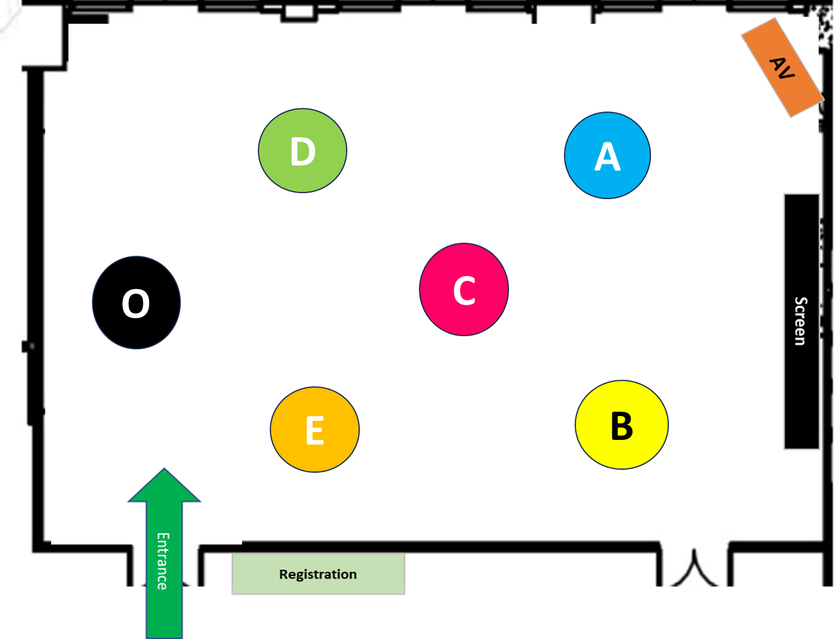

Delegate Table A |  |  |  | Delegate Table D
No | Name | Job Title | Company Name | No | Name | Job Title | Company Name
1
2
3
4
5

Delegate Table B |  |  |  | Delegate Table E
No | Name | Job Title | Company Name | No | Name | Job Title | Company Name
1 |  |  |  | 1 | Mohit Sagar | CEO & Editor-In-Chief | OpenGov Asia
2 |  |  |  | 2
3 |  |  |  | 3
4 |  |  |  | 4
5 |  |  |  | 5
6
7

Delegate Table C |  |  |  | Organiser Table O
No | Name | Job Title | Company Name | No | Name | Job Title | Company Name
1 |  |  |  | 1 | Ellen Quek | Vice President, APAC | OpenGov Asia
2 |  |  |  | 2
3 |  |  |  | 3
4 |  |  |  | 4
5 |  |  |  | 5
6
7

